Foglio1
FOTO | BRAND | ARTICOLO | COLORE | 35 | 36 | 37 | 38 | 39 | 40 | 41 | QUANTITA TOT | PREZZO | WHOLE SALE | price
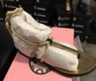 | FORNARINA | PEFXB8725WVAD200 |  |  |  |  |  | 2 | 1 |  | 3 | € 89.00 | € 34.23 | 14 €
 | FORNARINA | PEFBX8943WHF8600 |  |  | 2 | 1 | 2 |  |  |  | 5 | € 119.00 | € 45.77 | 14 €
 | FORNARINA | PEFOK8940WHA0000 |  |  |  | 5 | 5 | 7 | 1 |  | 18 | € 119.00 | € 45.77 | 14 €
 | FORNARINA | PEFOO8718WCCA330 |  |  | 2 | 3 | 4 | 4 | 3 |  | 16 | € 95.00 | € 36.54 | 14 €
 | FORNARINA | PEFOO8718WCCA490 |  |  | 2 | 3 | 4 | 4 | 3 |  | 16 | € 95.00 | € 36.54 | 14 €
 | FORNARINA | PEFOK8832WVBD940 |  |  | 3 | 3 | 5 | 4 | 3 |  | 18 | € 119.00 | € 45.77 | 14 €
 | FORNARINA | PEFOK8940WHA0900 |  |  |  |  | 2 | 3 |  |  | 5 | € 119.00 | € 45.77 | 14 €
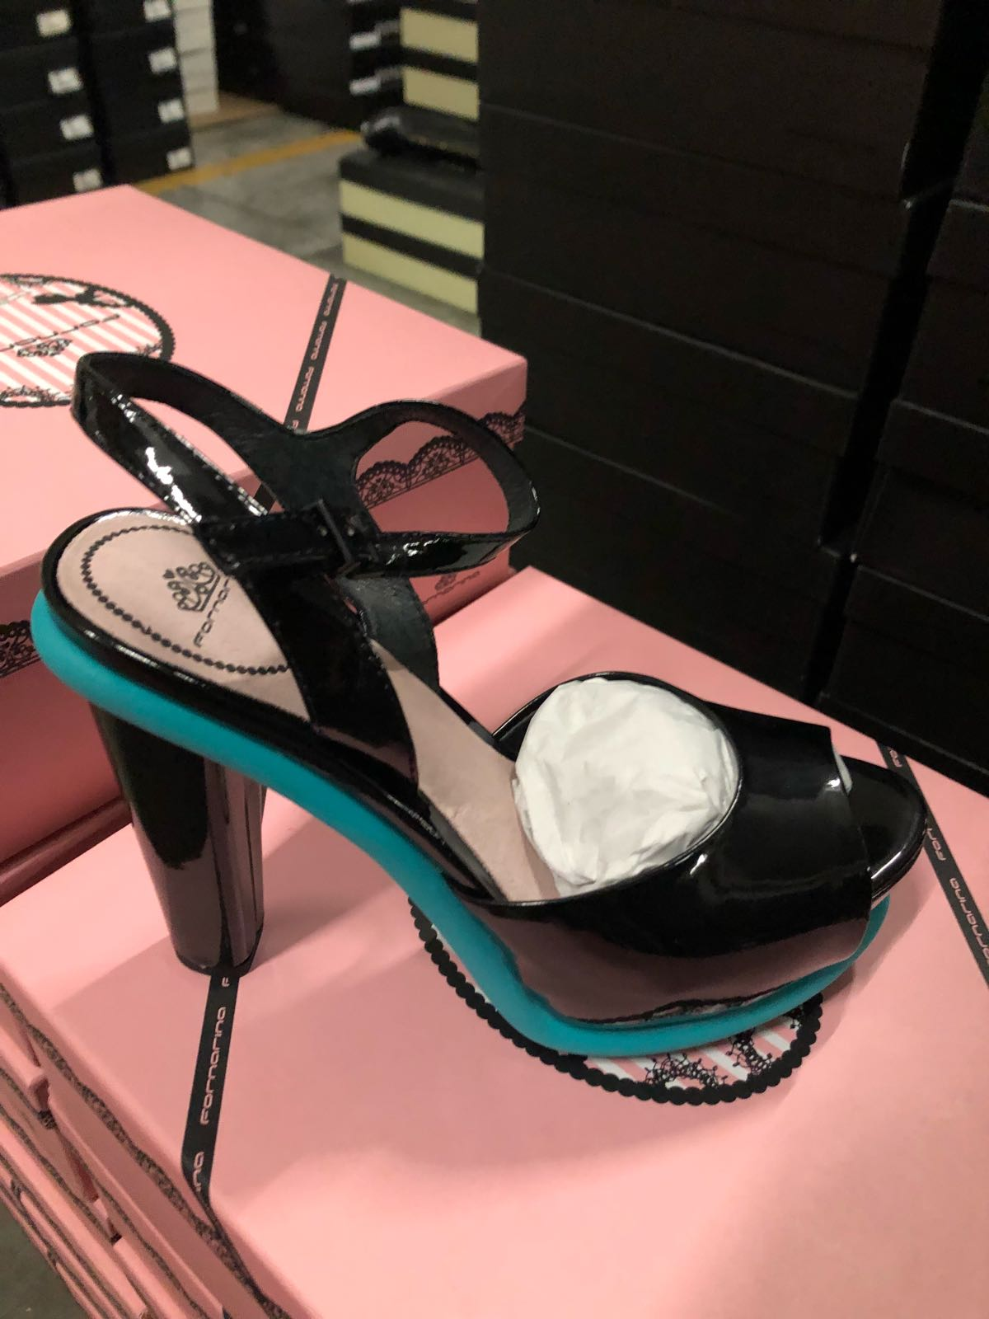 | FORNARINA | PEFMN8705WPAD570 |  |  | 2 | 2 | 2 | 1 | 2 |  | 9 | € 105.00 | € 40.38 | 14 €
 | FORNARINA | PEFOK8821WHAD880 |  |  | 1 |  | 3 | 5 | 4 | 2 | 15 | € 119.00 | € 45.77 | 14 €
 | FORNARINA | PEFOK8821WHAD200 |  |  | 2 | 2 | 4 | 4 | 4 | 4 | 20 | € 119.00 | € 45.77 | 14 €
 | FORNARINA | PEFOK8821WHAG690 |  |  | 2 | 2 | 4 | 5 | 4 |  | 17 | € 119.00 | € 45.77 | 14 €
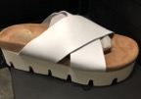 | FORNARINA | PEFOK8941WHA0900 |  |  | 6 | 8 | 9 | 9 | 2 |  | 34 | € 109.00 | € 41.92 | 14 €
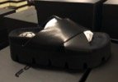 | FORNARINA | PEFOK8941WHA0000 |  |  | 7 | 11 | 11 | 16 | 8 | 1 | 54 | € 109.00 | € 41.92 | 14 €
 | FORNARINA | PEFOK8941WHA8600 |  |  | 1 | 6 | 7 | 6 |  |  | 20 | € 109.00 | € 41.92 | 14 €
 | FORNARINA | PEFOK8939WHA0000 |  | 1 | 4 | 6 | 5 |  |  |  | 16 | € 119.00 | € 45.77 | 14 €
 | FORNARINA | PEFYR8667WPB0000 |  |  | 2 | 4 | 5 | 3 | 5 |  | 19 | € 129.00 | € 49.62 | 14 €
 | FORNARINA | PEFYR8667WPB0900 |  |  | 5 | 6 | 8 | 4 | 4 |  | 27 | € 129.00 | € 49.62 | 14 €
 | FORNARINA | PEFXR8934WGAC470 |  |  | 2 | 4 | 5 | 4 | 3 |  | 18 | € 124.00 | € 47.69 | 14 €
 | FORNARINA | PEFXR8934WGAC460 |  |  |  |  | 4 | 4 | 2 |  | 10 | € 124.00 | € 47.69 | 14 €
 | FORNARINA | PEFZV8971WHA0900 |  |  | 2 | 3 | 6 | 4 | 2 |  | 17 | € 119.00 | € 45.77 | 14 €
 | FORNARINA | PEFZV8971WHA0000 |  |  | 1 | 4 | 6 | 2 | 3 |  | 16 | € 119.00 | € 45.77 | 14 €
 | FORNARINA | PEFXR8934WXAH240 |  |  | 2 | 4 | 7 | 8 | 3 |  | 24 | € 124.00 | € 47.69 | 14 €
 | FORNARINA | PEFYR8667WPB6700 |  |  | 2 | 5 | 4 | 8 | 5 |  | 24 | € 129.00 | € 49.62 | 14 €
 | FORNARINA | PIFST8537WCAA070 |  |  | 1 |  | 1 | 1 | 6 |  | 9 | € 129.00 | € 49.62 | 14 €
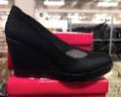 | FORNARINA | PEFTB8701WLB0000 |  |  |  | 4 |  |  | 3 |  | 7 | € 104.00 | € 40.00 | 14 €
 | FORNARINA | PEFYR8667WXAH240 |  |  |  | 3 | 6 | 3 | 3 | 1 | 16 | € 129.00 | € 49.62 | 14 €
 | FORNARINA | PEFXR8934WLAC660 |  |  |  | 3 | 3 | 6 | 3 |  | 15 | € 124.00 | € 47.69 | 14 €
 | FORNARINA | PIFST8537WCAA060 | nero |  | 8 | 12 | 22 | 22 | 19 |  | 83 | € 129.00 | € 49.62 | 14 €
 | FORNARINA | PIFST8537WMAAA80 | oro |  | 6 | 7 | 4 | 7 | 11 |  | 35 | € 129.00 | € 49.62 | 14 €
 |  |  |  |  |  |  |  |  |  |  | 586

